Q3
3. What are the 6 top influences on career aspirations for respondents in India?

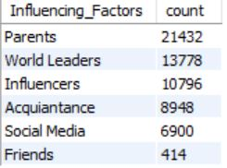
 | select Influencing_Factors, count(Influencing_Factors) as count from career_aspiration.gen_z
 | where Country='India'
 | group by Influencing_Factors
 | order by count desc
 | limit 6;

Q4
4. How do career aspiration influences vary by gender in India?

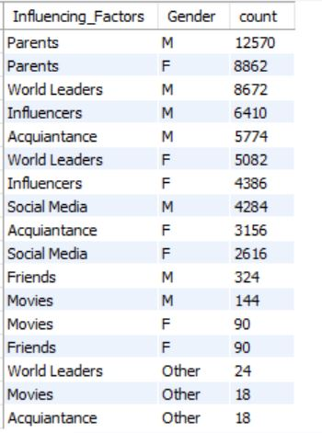
 | select Influencing_Factors, Gender, count(Gender) as count from career_aspiration.gen_z
 | where Country='India'
 | group by Influencing_Factors, Gender
 | order by count desc;

Q6
6. How many respondents prefer to work for socially impactful companies?

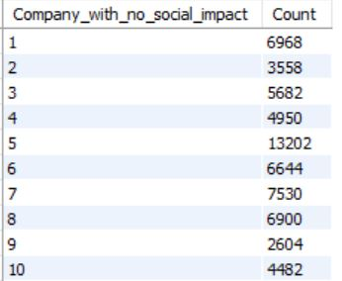
 | Select Company_with_no_social_impact, count(Company_with_no_social_impact) as Count
 | from career_aspiration.gen_z
 | where Country='India'
 | group by Company_with_no_social_impact
 | order by Company_with_no_social_impact

Q8
8. What is the distribution of minimum expected salary in the first three years among respondents?

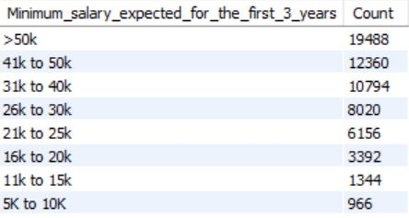
 | Select Minimum_salary_expected_for_the_first_3_years, count(Minimum_salary_expected_for_the_first_3_years)
 | as Count from career_aspiration.gen_z
 | where Country='India'
 | group by Minimum_salary_expected_for_the_first_3_years
 | order by Count desc

Q11
11. What is the preferred number of daily work hours?

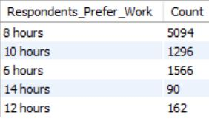
 | Select Daily_hours_you_are_willing_to_work as Respondents_Prefer_Work,
 | count(Daily_hours_you_are_willing_to_work) as Count
 | from career_aspiration.gen_z
 | where Country='India' and Daily_hours_you_are_willing_to_work <> 'N/A'
 | group by Respondents_Prefer_Work

Q12
12. What are the common work frustrations among respondents?

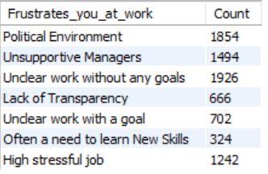
 | Select What_frustrates_you_at_work as Frustrates_you_at_work,
 | count(What_frustrates_you_at_work) as Count
 | from career_aspiration.gen_z
 | where Country='India' and What_frustrates_you_at_work <> 'N/A'
 | group by Frustrates_you_at_work;

Q13
13. How does the need for work-life balance interventions vary by gender?

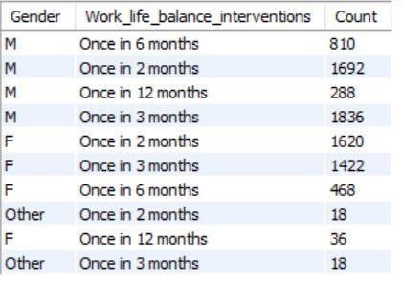
 | Select Gender, How_often_do_you_need_a_full_week_off as Work_life_balance_interventions,
 | count(Gender) as Count
 | from career_aspiration.gen_z
 | where Country='India' and How_often_do_you_need_a_full_week_off <> 'N/A'
 | group by Work_life_balance_interventions, Gender

Q15
15. What is the distribution of minimum expected salary after five years?

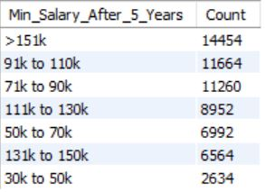
 | Select Minimum_monthly_salary_expected_after_5_years as Min_Salary_After_5_Years,
 | count(Minimum_monthly_salary_expected_after_5_years) as Count
 | from career_aspiration.gen_z
 | where Country='India'
 | group by Min_Salary_After_5_Years
 | order by Count desc

Q17
17. What are the top work frustrations for each gender?

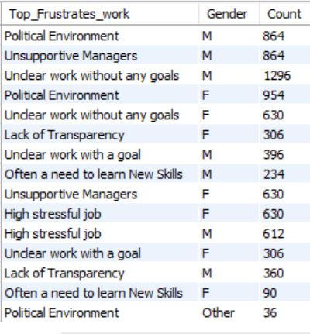
 | Select What_frustrates_you_at_work as Top_Frustrates_work, Gender,
 | count(Gender) as Count
 | from career_aspiration.gen_z
 | where Country='India' and What_frustrates_you_at_work <> 'N/A'
 | group by Top_Frustrates_work, Gender

Q18
18. What factors boost work happiness and productivity for respondents?

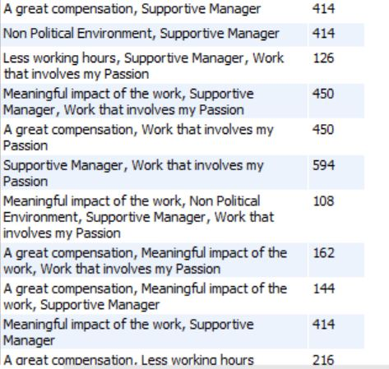
 | Select What_boosts_your_work_happiness as Boost_work_Happiness_and_Productivity,
 | count(What_boosts_your_work_happiness) as Count
 | from career_aspiration.gen_z
 | where What_boosts_your_work_happiness <> 'N/A'
 | group by Boost_work_Happiness_and_Productivity

